Art Assets
Pirority | Arrows | Textures | Pictures | Description | Animation
2 | Balloon arrow | Red Balloon, red fletchings, wood shaft | 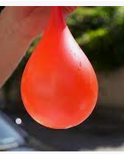 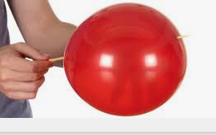 | -This arrow has red fletchings and a red balloon. -This arrow has a balloon attached at the head. -This arrow is comedic in nature. Examples could include, The Balloon is taped to the shaft, The wood of the shaft becomes the balloon, etc. | 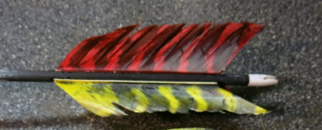 | 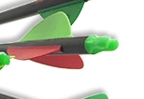
3 | Knife arrow | Blue knife, blue fletchings, wood shaft |  | -This arrow has blue fletchings and a blue knife handle. -This arrow has a knife attached at the head. -This arrow is comedic in nature. Examples could include, The knife is taped to the shaft, The wood of the shaft becomes the knife, etc.

Pirority | Birds | Textures | Pictures | Description
3 | Glass/Armoured Bird | Glass Bird, giant blue helmet | 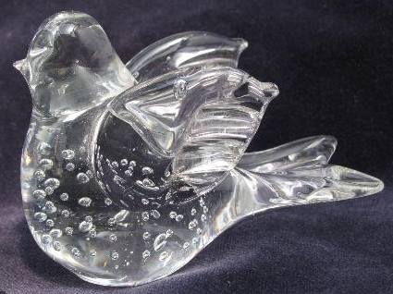 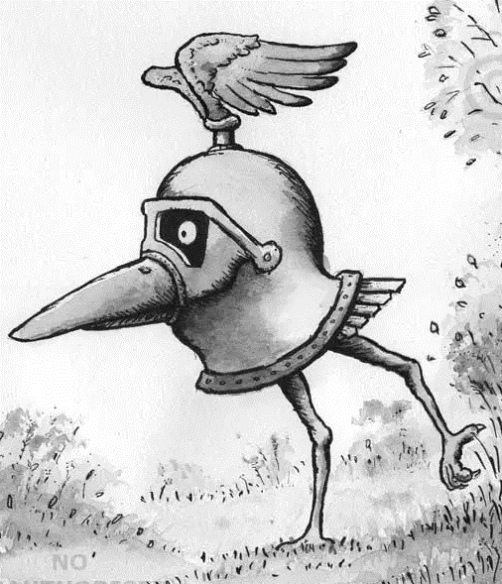 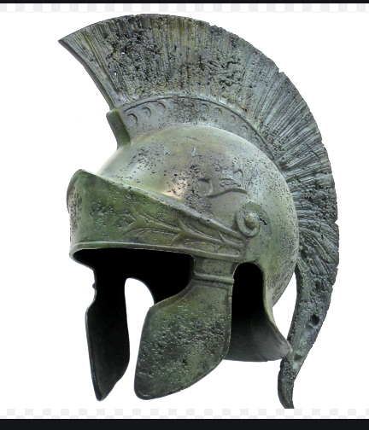 | This bird is composed of glass and is wearing a stylish giant helmet. It has the same general shape as the wooden bird but with a giant helmet. The beak/head sticks out of the visor area. The tail/feathers stick out of the neck area. The roman/greek helmets' plumage is blue in colour, with some flaking blue paint, across the rest of the helmet metal.
2 | Scorched Bird/On Fire | Scorched bird | 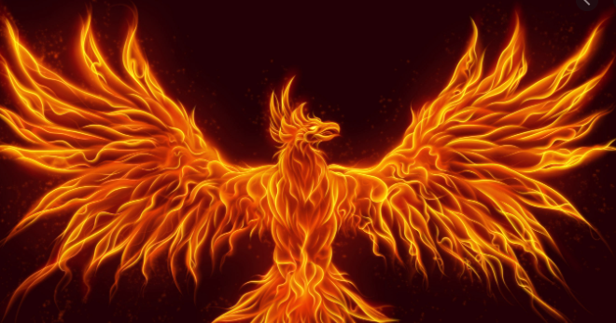 | This bird is a wooden cutout similar to the wooden bird. Except it is scorched and broken at the top. That's bsically it unless the artists can do particles?

Pirority | Environment | Textures | Pictures | Description
3 | Enclosure | Wood slats |  | This is a repeatable texture for wooden slats. Up to artist, so long as it is repeatable.
2 | Display Box | rusted metal | 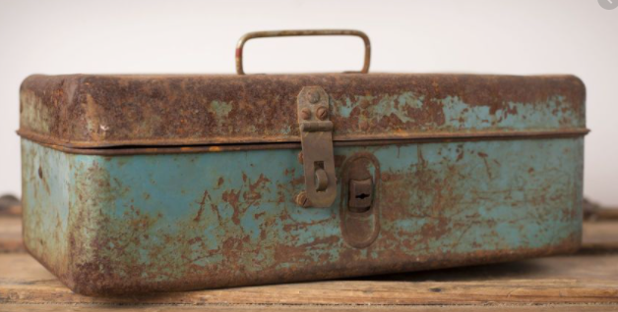 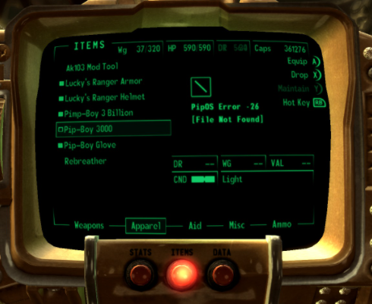 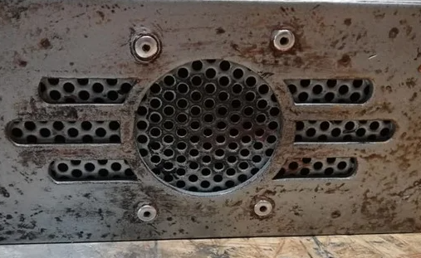 | -This display box is a slightly raised display with nobs/buttons and a speaker. -This has 2 screens, separated by a line of the box. -One screen has some buttons/nobs underneath, The other has a recessed speaker underneath.
2 | Button | Rusted metal, flaking red paint | 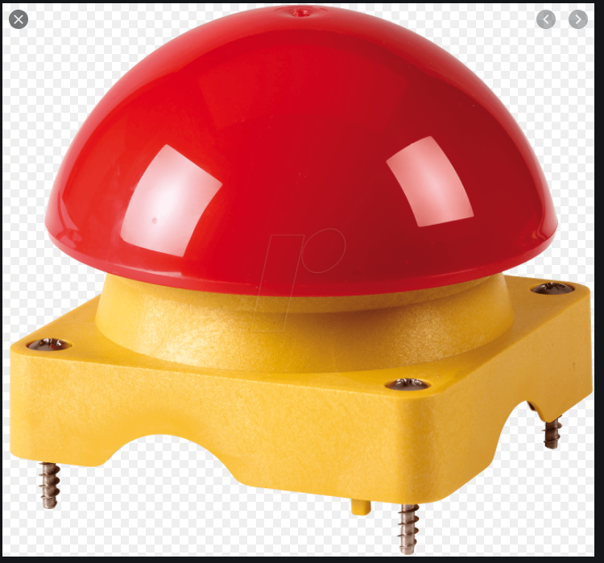 | -This is a mushroom shaped button. -The red pain is old and flaking.
2 | Quiver Textures | Red, Green and blue PVC | 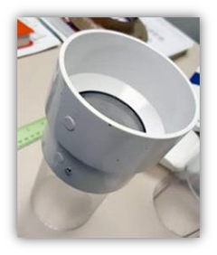 | -Each quiver has different base leather colours, Red, green and blue. -Each quiver has an image associated with it. -Red- An image of a fire bird being doused by water -Green- Wood bird being punched by a boxing glove -Blue- A roman/greek helmet with a knife piercing through it.
3 | U Bench | Old Oak Wood |  | -Is not actually a bench, It is more like a counter top. -This is a old, worn counter top, that has been polished over the years by the drinks/blood/sweat and tears of those who have been at this sideshow. -This U bench needs to be able to accomadate a person sitting/standing in the middle of it.

